Sheet1
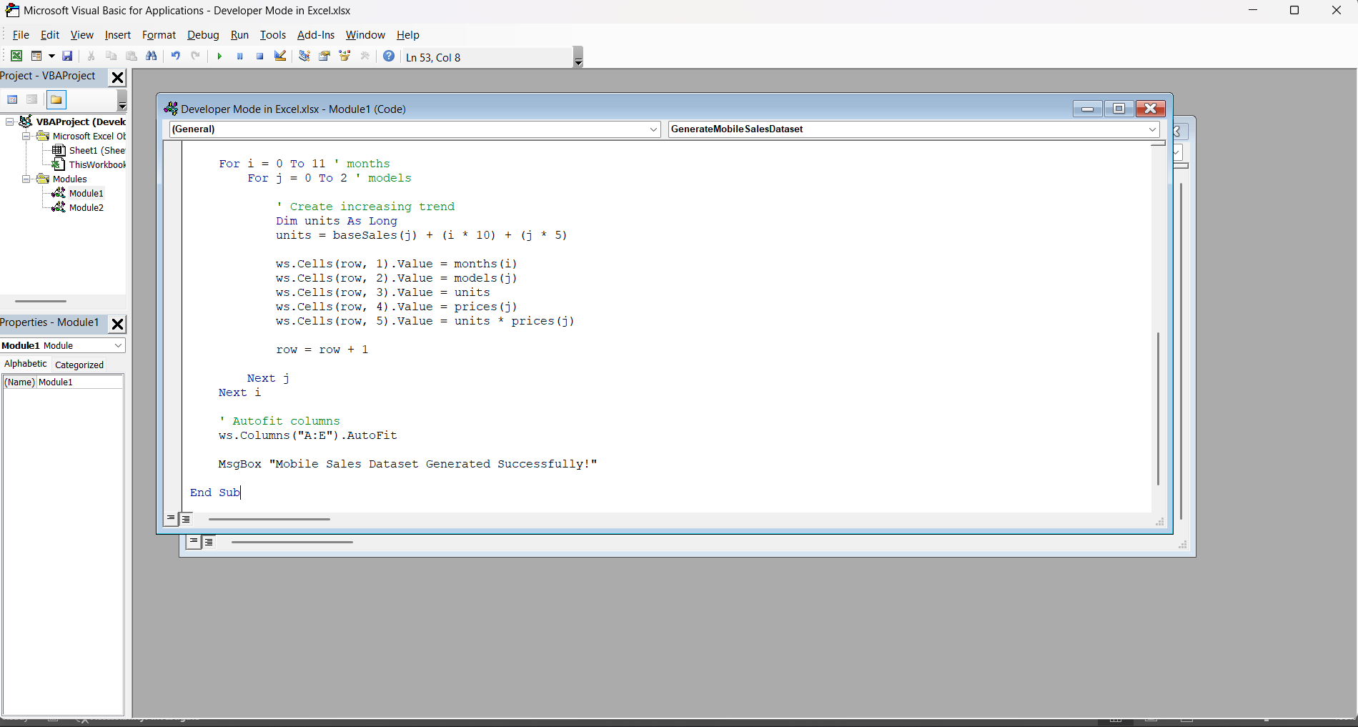
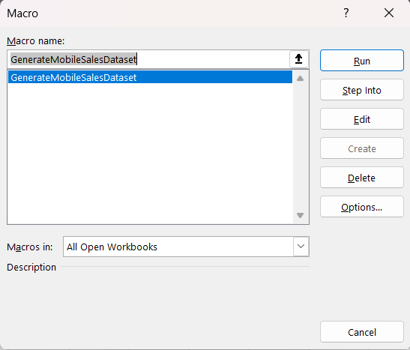
Month | Mobile_Model | Units_Sold | Price_per_Unit | Revenue
Jan-24 | iPhone 14 | 120 | 70000 | 8400000
Jan-24 | Samsung S23 | 105 | 65000 | 6825000
Jan-24 | OnePlus 11 | 100 | 55000 | 5500000
Feb-24 | iPhone 14 | 130 | 70000 | 9100000
Feb-24 | Samsung S23 | 115 | 65000 | 7475000
Feb-24 | OnePlus 11 | 110 | 55000 | 6050000
Mar-24 | iPhone 14 | 140 | 70000 | 9800000
Mar-24 | Samsung S23 | 125 | 65000 | 8125000
Mar-24 | OnePlus 11 | 120 | 55000 | 6600000
Apr-24 | iPhone 14 | 150 | 70000 | 10500000
Apr-24 | Samsung S23 | 135 | 65000 | 8775000
Apr-24 | OnePlus 11 | 130 | 55000 | 7150000
May-24 | iPhone 14 | 160 | 70000 | 11200000
May-24 | Samsung S23 | 145 | 65000 | 9425000
May-24 | OnePlus 11 | 140 | 55000 | 7700000
Jun-24 | iPhone 14 | 170 | 70000 | 11900000
Jun-24 | Samsung S23 | 155 | 65000 | 10075000
Jun-24 | OnePlus 11 | 150 | 55000 | 8250000
Jul-24 | iPhone 14 | 180 | 70000 | 12600000
Jul-24 | Samsung S23 | 165 | 65000 | 10725000
Jul-24 | OnePlus 11 | 160 | 55000 | 8800000
Aug-24 | iPhone 14 | 190 | 70000 | 13300000
Aug-24 | Samsung S23 | 175 | 65000 | 11375000
Aug-24 | OnePlus 11 | 170 | 55000 | 9350000
Sep-24 | iPhone 14 | 200 | 70000 | 14000000
Sep-24 | Samsung S23 | 185 | 65000 | 12025000
Sep-24 | OnePlus 11 | 180 | 55000 | 9900000
Oct-24 | iPhone 14 | 210 | 70000 | 14700000
Oct-24 | Samsung S23 | 195 | 65000 | 12675000
Oct-24 | OnePlus 11 | 190 | 55000 | 10450000
Nov-24 | iPhone 14 | 220 | 70000 | 15400000
Nov-24 | Samsung S23 | 205 | 65000 | 13325000
Nov-24 | OnePlus 11 | 200 | 55000 | 11000000
Dec-24 | iPhone 14 | 230 | 70000 | 16100000
Dec-24 | Samsung S23 | 215 | 65000 | 13975000
Dec-24 | OnePlus 11 | 210 | 55000 | 11550000

